India Data-May 2020
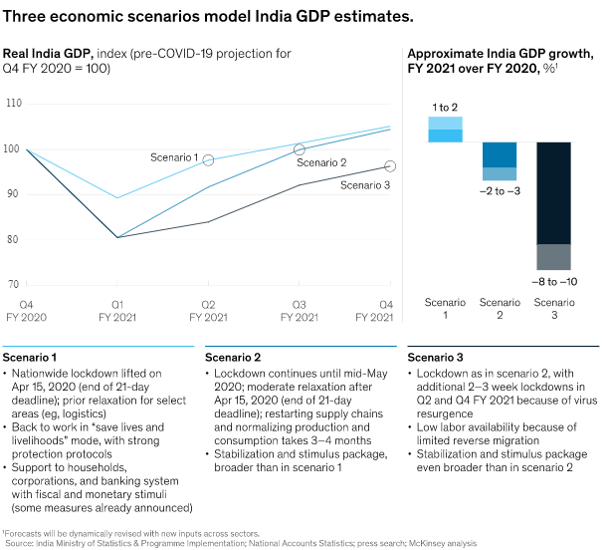
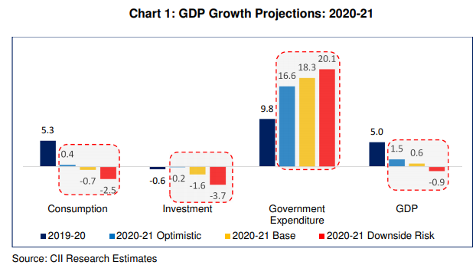
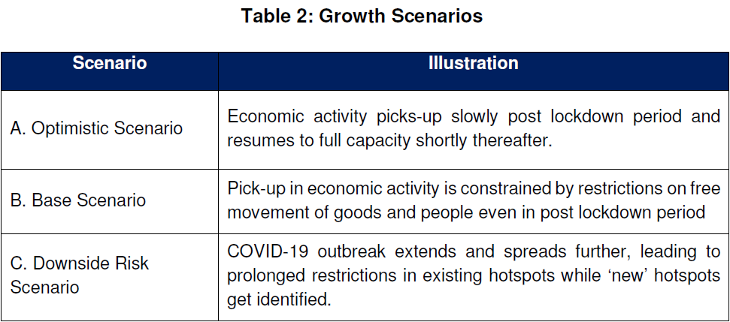
India - BAU and Alternate GDP projections for Financial Year 2020-21

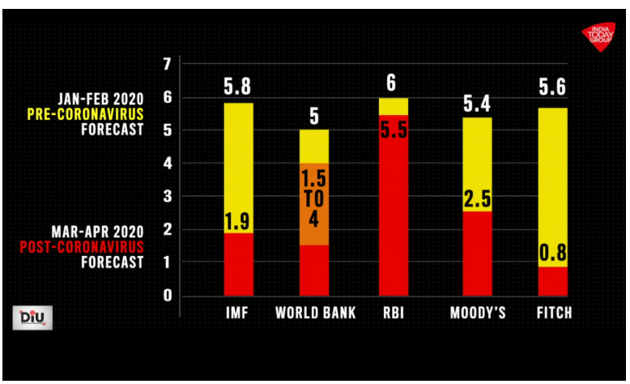
 | IMF | World Bank | RBI* | Moody's | Fitch | McKinsey (Scenario 3) | CII (Base Scenario) | Goldman Sachs | 15th Finance Commission | Crisil | IMF to Fitch (columns B-F)
Pre-COVID forecast (Jan-Feb 2020) | 5.8% | 5% | 6% | 5.4% | 5.6% | 6% | 6% | 6% | 6% | 6%
Post-COVID forecast (Mar-Apr 2020) | 1.9% | 2.75% | 5.5% | 2.5% | 0.8% | -3% | 0.6% | 1.0% | -2.5% | -5.0%
Reduction | 3.9% | 2.3% | 0.5% | 2.9% | 4.8% | 9.0% | 5% | 5% | 8% | 11%
Median alternate GDP growth | 0.8% | Avg. Alt GDP | -0.1%
Median reduction relative to 2019 | 5.0% | Avg. Reduction | 5.9%
Median BAU GDP growth | 6.0% | Avg. BAU GDP | 5.8%
World Bank - low | 1.5% | 15th Finance Comm - low | -6.0%
World Bank - high | 4% | 15th Finance Comm - high | 1%
* The RBI forecast does not account for COVID impacts as it is based on a poll conducted prior to announcement of lockdown.
As of 27 May 2020, the revised GDP forecast from RBI is yet to be published, based on a preliminary statement on the extent of GDP contraction expected.
Hence, it is not accounted for in the average.

Sources:
IMF to Fitch (columns B-F) | https://www.indiatoday.in/diu/story/coronavirus-indian-economy-1670487-2020-04-24
McKinsey | https://www.mckinsey.com/in/our-insights/getting-ahead-of-coronavirus-saving-lives-and-livelihoods-in-india
CII | https://www.cii.in/PublicationDetail.aspx?enc=zuvkFMUeRQ5DOr34VHgU+q2FCqvImS8h+0nQnlG8m5zQMi0OqNmYDbmu4OQt/zyXqsZaMZqaBOz17jO5kiK8beaL12OyxmfAhunCVE65HqgjLzXO2zFcwfMySBEKEXXZInWXyHg28Cg3wC9MTvYNtg==
Goldman Sachs | https://www.livemint.com/news/india/indian-economy-may-contract-by-45-in-june-quarter-goldman-sachs-11589728732340.html
15th Finance Commision of India + RBI statement | https://www.livemint.com/industry/banking/india-s-gdp-growth-in-2020-21-to-remain-in-negative-category-rbi-11590122207688.html
Crisil | https://www.crisil.com/en/home/our-analysis/reports/2020/05/minus-five.html

 | McKinsey (Scenario 2) |  |  |  |  |  |  | CII (Base Scenario)

